Intro
A few notes prior to beginning:
All IFR data listed is noted in the filename. 3 Bar = 43.5psi ; 4 Bar = 58psi
To go from 58psi to 43.5psi, multiply by 0.866. To go from 43.5psi to 58psi, multiply by 1.1547.
**If you need Injector Flow Rates (IFR) table for other pressures, please use the following formula: Wanted Fuel Pressure / Rated Fuel Pressure , then take Square root of this value and multiply the existing numbers.
For example: 43.5psi ratings ; and you want to run at 50psi. 50 psi / 43.5psi = 1.1494 ; Square root of this is 1.0721 ; Multiply this value to the 43.5psi numbers
**If you are using a FUEL PRESSURE REGULATOR that is manifold referenced, please populate the ENTIRE table(s) with the "0" or "400" kPa flow value. If you do not understand, please ask us.

Terms & Contact Info
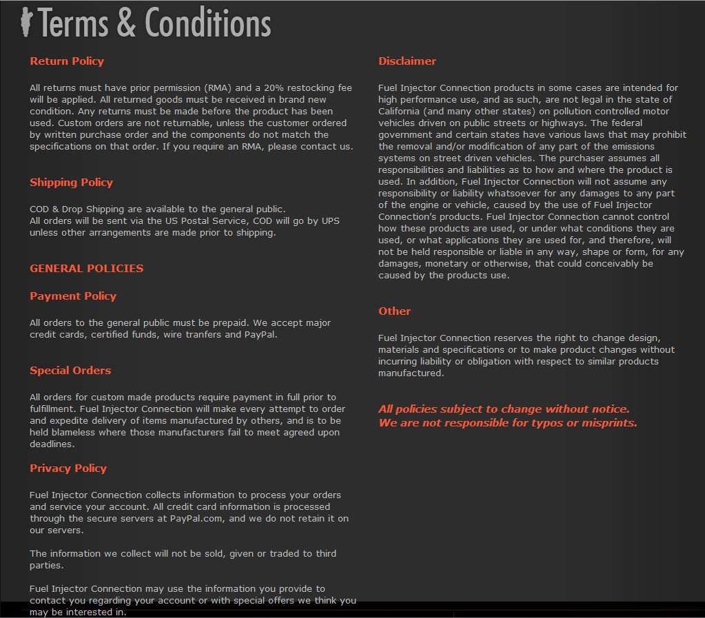
Please send us any questions or comments using our contact form, E-mail or just call us, We will be happy to help !

5485 Bethelview Rd
Suite 360-155
Cumming, GA 30040

Tel: 770-888-1662

info@fuelinjectorconnection.com

Scaling INFO
See here for information Regarding Scaling, as your OS may or may not need it:
http://www.hptuners.com/forum/showthread.php?42081-Airflow-Limitation-Scaling-No-Need-To-Scale-Trans-Anymore!

IF YOU DO NOT UNDERSTAND, NOR HAVEGOOD KNOWLEDGE OF SCALING THE ENTIRE TUNE, PLEASE SEEK PROFESSIONAL TUNER ASSISTANCE

Apply your SCALED injector value PERCENTAGE to ALL tables that have Cylinder AIR MASS, LB/HR / Gram/Sec , Torque Tables, etc. This includes:
MAF, VE, Fuel Injector tables, Spark (High & Low), Torque Tables for Auto Transmissions, etc. For further reading about another option for scaled injectors, read below:

SCALING METHODOLOGY:
GM Gen IV Calibration Scaling
As many people have seen, GM’s E40, E38, and E67 PCMs in certain vehicles are limited to a maximum flow rate of 63.5 lb/hr for injectors. This poses a problem for anybody wanting to use injectors that go past this limit. Some of the newer platforms (2009 LS3 Corvette, 2010 Z06, 2010 Camaro for example) have twice the limit at 127 lb/hr which simplifies things greatly. However, these vehicles are still plagued by the 1.36 g/cyl limit of the spark tables. Chances are anybody needing injectors bigger than 63.5 lb/hr will pass 1.36 g/cyl anyway, so the double IFR limit isn’t as useful anymore. This necessitates the need for scaling the calibration. Scaling means just that… Scaling everything down to compensate for the hard coded limits. Assuming a return style fuel system, a user might have injectors that flow 80 lb/hr at 58psi (since this is return, the IFR table would be populated with 80 lb/hr in every cell). We can’t enter 80 lb/hr as the flow rate… but 75% of 80 lb/hr would be 60 lb/hr, which falls under the hard coded limit. For this person, scaling the tune by 75% would work. However, scaling by 50% is the easiest, and the answer to “Why?” will become clear later. So if we scale by 50%, we would enter 40 lb/hr for the flow rate across the entire table, effectively telling the PCM that the injectors are half as big as they actually are. Obviously, this is going to throw everything else off.
The first and most obvious things to correct are the airflow measurements (MAF and VE). These are easy… Highlight the entire MAF table and multiply by 50%, and do the same for the VE (this article will not go into detail about how to manipulate the equation based VE of the newer operating systems… that is up to the reader, who needs to know that the calculated values need to be halved). This includes Cranking VE! Some people think that simply cutting the defined engine displacement in half will eliminate the need to scale the VE, but this is not true, as the PCMs affected by this injector limit don’t use the engine displacement in the calculations… it’s built directly into the VE numbers (sometimes referred to as GMVE). Once these are scaled, everything is done, right? Unfortunately, it doesn’t stop there. After cutting the airflow measurements in half, we’ve now reduced cylinder airmass reporting in half. What used to be 0.64 g/cyl is now 0.32 g/cyl in the tables. This starts to affect all of the spark tables, so they need to be adjusted accordingly. This is where scaling by 50% becomes easier than any other multiplier, because we can just copy/paste almost everything for the spark tables. As shown below, the spark values from 0.40 g/cyl just get copied into the 0.20 g/cyl row. If we were scaling by 75%, there are some instances that allow copy paste. For example, the 0.32 g/cyl row can be copied into the 0.24 g/cyl row, but interpolation is required to do most of the rows. The extent of what tables need to be scaled is left up to the reader, as this isn’t meant to be an outline to go step by step on what to do, but rather to show the methodology behind scaling a tune.
Any table with cylinder airmass as an axis has to be scaled, and there are tables buried in various sections of the tune. Spend some time and find them all so that you aren’t hunting for a problem later. The injector flow rate, airflow measurements, and spark tables are the brunt of what needs to be scaled. However, there are still other areas that need to be scaled down. Any value that is in lb/hr needs to be scaled, along with anything that could be a waterfall effect (like g/cyl which is a calculated result of the flow rate scaling). Don’t forget that tables concerning knock sensors and DFCO fall into this category. Another obscure point is the torque calculation. Any value represented as torque should be halved (Torque Management in the Engine calibration can likely be ignored here since most people max these tables out anyway), like the AC Torque tables. Torque calculations are more important for the automatic crowd, which opens a whole new world of scaling requirements for the transmission. With HP Tuners, you can click on the torque axis of a table and open the labels, allowing you to just divide those labels by 2 and properly adjust the table by 50%.
You can also adjust the data set itself if you want to leave the axis labels alone. Changing the axis labels themselves is ultimately easier, because it eliminates the need to curve fit the data set to a new set of labels (Excel can easily do this curve fitting if the user is savvy enough to use INDEX and LINEST functions coupled with arrays… or take the long, laborious route of graphing the data, applying a trend line, and copying the coefficients from the trend line equation). Curve fitting can get unreliable when the data set isn’t very large, though. Sometimes you can manually refit the values to follow the trend, especially if you’re going to tweak them in the tune later anyway.Going back to airflow measurements that require scaling, a few tables of interest to point out are the Cylinder Charge Temperature Bias vs. Airflow and Cylinder Charge Temperature Filter Coefficient vs. Airflow tables.
For a 2006 Corvette Z06, these tables are linear, so they are easy to fit to a scaled set of axis labels. As mentioned, these tables are very easy to deal with. Other tables, like the Closed Loop Mode vs. Airflow and the LTFT Purge Reduction Factor tables (both of which have axis labels in lb/hr of airflow) aren’t linear, and become harder to scale. Again, scaling by 50% makes these easier. However, regardless of the factor for scaling, it may be a good idea to curve fit these using 6 th order polynomial fitting. This refers back to the INDEX and LINEST functions with arrays, or just graphing the data and curve fitting it. When setting up your array, simply copy the table with the labels, then divide the labels in half. Generate the data with these adjusted axis labels, and then fill it all in. Putting the use of curve fitting into words is difficult to do, so I apologize if it’s hard to understand.

